Prueba E2E&API - CD - CD001
PROJECT NAME |  |  |  |  |  | Computer Database Web Page |  |  |  |  |  |  |  | HOSTFULLY
MODULE NAME |  |  |  |  |  | E2E & API Computer Database Module (CD)
CREATED BY |  |  |  |  |  | José Salgado
CREATED DATE |  |  |  |  |  | 2023-05-06
TESTING TOOL |  |  |  |  |  | The tests were done using Google Chrome web browser (Version 105.0.5195.127 (Oficial build) (64 bits)), using Cypress Automation Tool version 12.11.0
TEST CASES |  |  |  |  |  |  |  |  |  |  | QA ENVIRONMENT

QA Status Result | Requirement Description | Functionality Description | Test Scenario Description | Test Scenario Code | Test Case Description | Test Case Code | Test Case Input Specifications | Test Case Output Specifications | Test Steps | Inter-Case Dependencies | Release | Execution Date (mm/dd/yyyy) | Approved / Status (Y/N) | Retest Count | Test Case Observations | Priority | Category | Ticket Number QA | Defect Code | Evidence Image
1 | CD001: Write automated tests for the demo application available at https://computerdatabase.gatling.io/computers, focusing on, but not limited to, the following functionality: - Adding a new computer | CD001_D001: Adding a New Computer Flow | CD001_D001_TS001: Adding a new computer | CD001_D001_TS001 | CD001_D001_TS001_TC001: Verify that the computer was added successfully by making a complete revision of the flow | CD001_D001_TS001_TC001 | Summary: Verify that the computer is added successfully and displays in the table Input Values(JSON): [ { "computerName": "Macintosh 1000", "computerIntroduced": "1940-11-11", "computerDiscontinued": "2000-11-11", "computerCompany": "Apple Inc." } ] | Expected Result: The product is added successfully to the DB and then prompts an alert that the product was added successfully. Lastly. after filtering the product it appears in the table Actual Result: The product is not added to the DB, yet the message displays that it was added successfully. Lastly, by filtering the product it also fails because the product ain't found whatsoever | 1. Open Computer Database io Page 2. Fill the data and add a new computer 3. Validate that a message that the computer was added displays correctly 4. Use the filter box to assert if the computer exists in the table to verify it was added correctly |  | 1.0-20230507.1200-QA | 5/7/2023 | N | 0 | At instance it could be just visual, which means the data is just not listed in the table, but later, it will be confirmed by doing and api testing test | High | Mandatory | RT0001 | CD001_D001_TS001_TC001_DF001 | 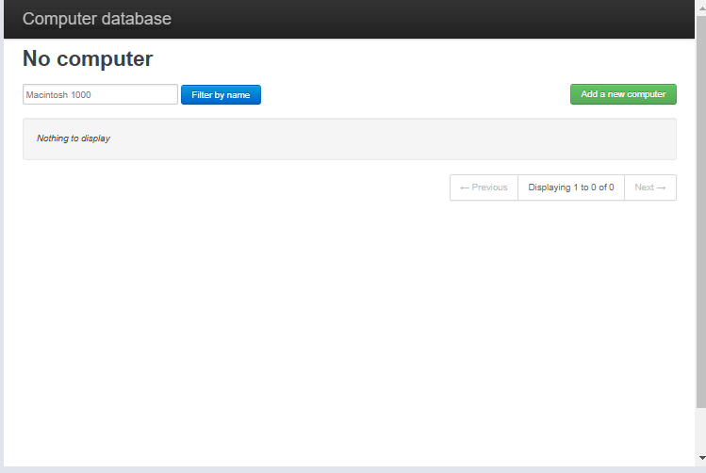 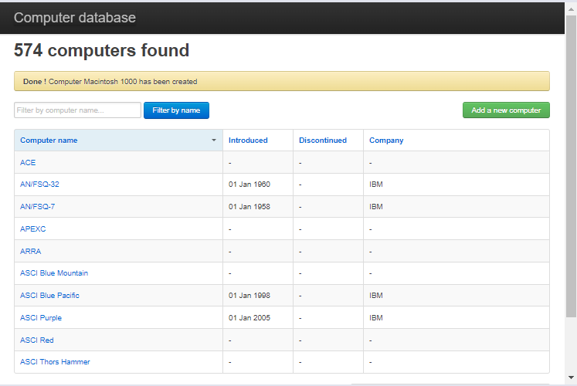 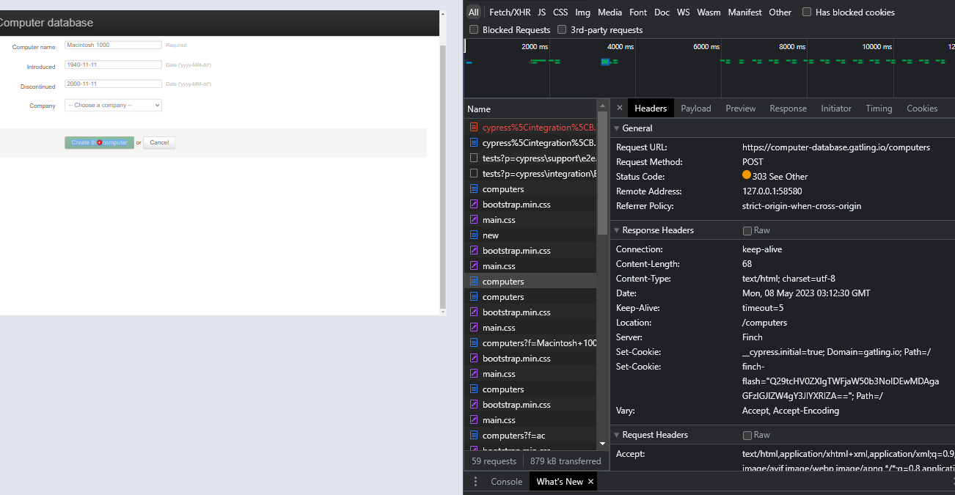
2 | CD001: Write automated tests for the demo application available at https://computerdatabase.gatling.io/computers, focusing on, but not limited to, the following functionality: - Adding a new computer | CD001_D001: Adding a New Computer Flow | CD001_D001_TS002: Test the filter for correct word fragment and whole incidences | CD001_D001_TS002 | CD001_D001_TS001_TC001: Verify that the filtering computer functionality works on the main page | CD001_D001_TS001_TC001 | Summary: Verify that the filtering computer functionality works as expected by letting the possibility to search whole words or fragment substring words of computer existing records esperado Input Values(feature file RAW data table): |value | mode | |ac | fragment | |amiga 500 | whole | | Expected Result: The filter shows the data expected in the UI table, if it is a fragment string mode, it only displays strings that have that fragment as a substring, if the mode is whole it display the specific word and if there wer some variations also the variations ie: AMIGA - AMIGA 2000 Actual Result: The filtering functionality works as expected, it filters and consequently show the data in the UI computers table independent of the mode selected | 1. Open Computer Database io Page 2. Fill the filter computer box 3. Assert that the data that was input matches with the data that is displayed in the UI table |  | 1.0-20230507.1200-QA | 5/7/2023 | Y |  |  |  |  |  |  | 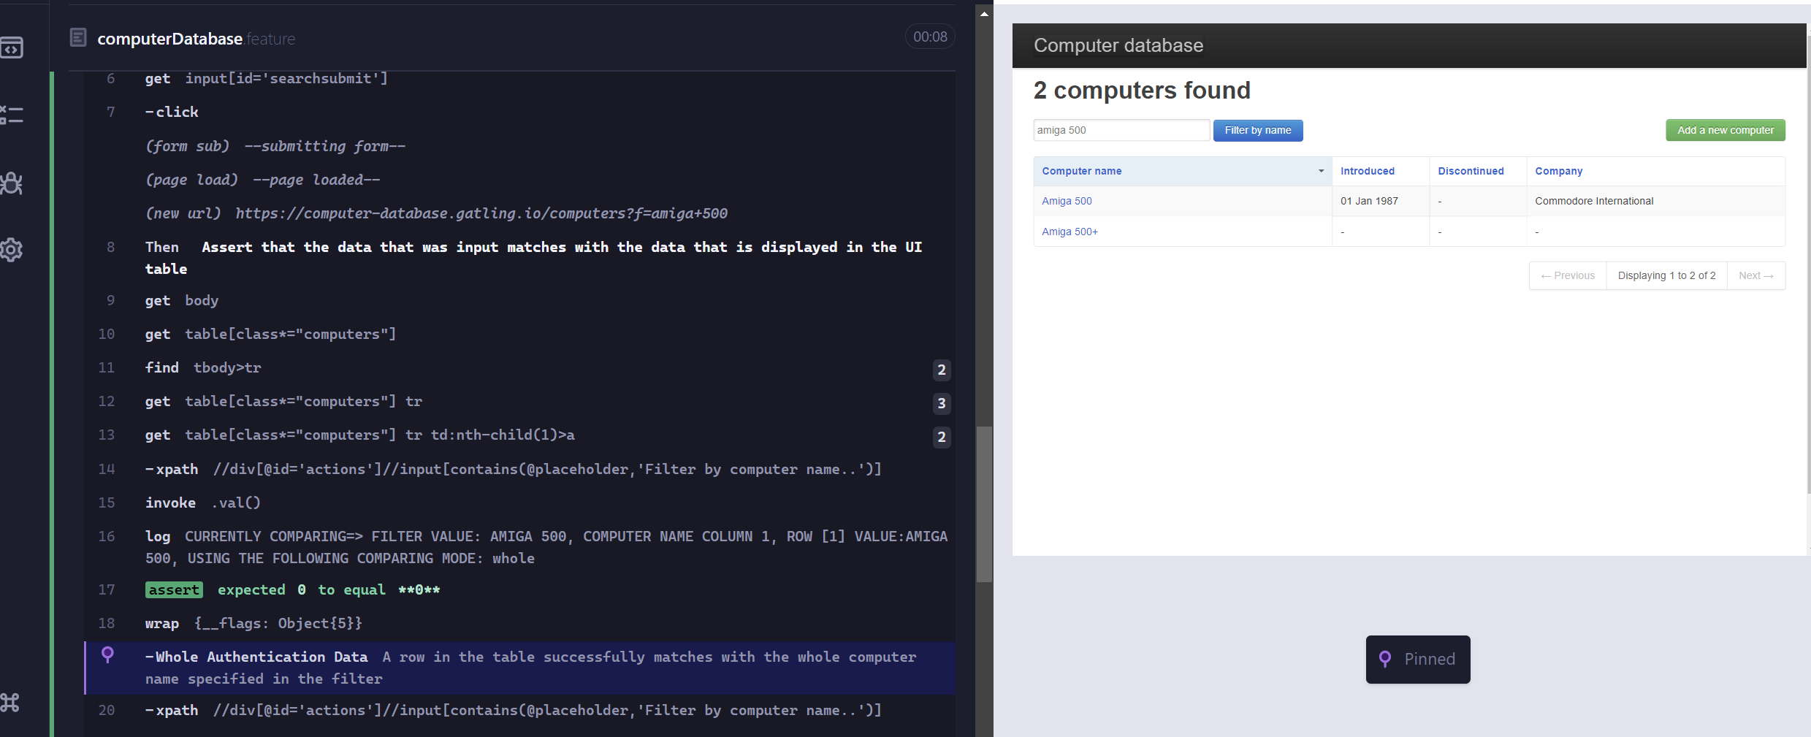 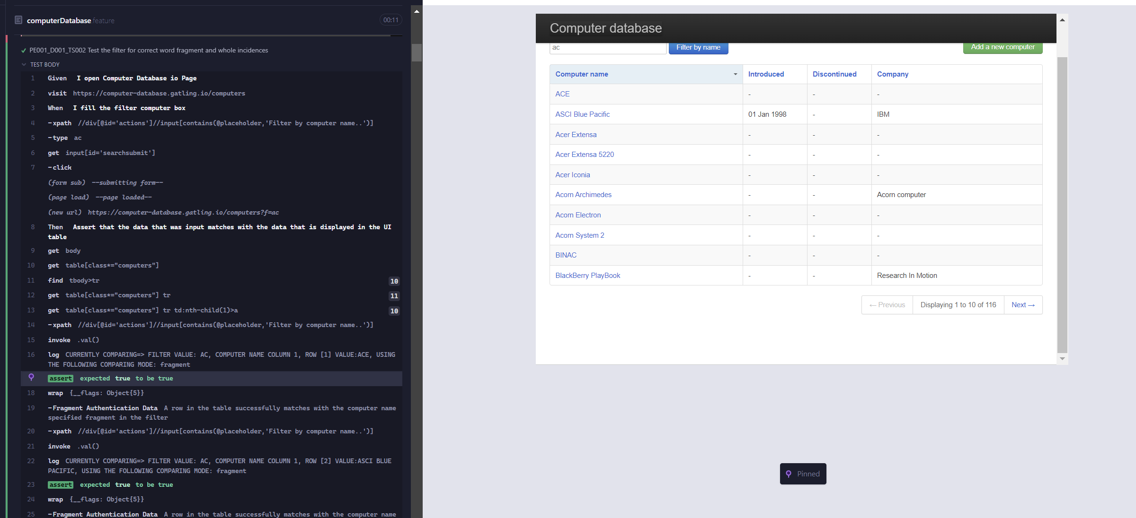 FRAGMENT WHOLE
1 | CD001: Write automated tests for the demo application available at https://computerdatabase.gatling.io/computers, focusing on, but not limited to, the following functionality: - Adding a new computer | CD001_D001: Adding a New Computer Flow | CD001_D001_TS003: Test the API calls for adding a computer | CD001_D001_TS003 | CD001_D001_TS003_TC001: Verify that the computer was not added by making a complete revision of the flow via API testing | CD001_D001_TS003_TC001 | Summary: Verify that the computer is not added and assert the data that was retrieved by the get api call Input Values(JSON): [ { "computerName": "Macintosh 1000", "computerIntroduced": "1940-11-11", "computerDiscontinued": "2000-11-11", "computerCompany": "Apple Inc." } ] | Expected Result: For instance there has to appear a 400 error to prove that the computer was not added to the database, and to know that the system only works with get calls, then after asserting if the data exists in the json response file, it will also fail as it was never added Actual Result: As expected, the system shows a 400 error message and the data fails to be inserted, so nothing is recovered in the json file | 1. I add a computer and assert the page redirect returns a 400 code when doing an add POST call, thus confirming that the web page is read-only as it was deduced on TC #CD001_D001_TS001_TC001 2.Assert if the computer exists in the JSON response file that will later on populate the UI computer database table | CD001_D001_TS001_TC001 | 1.0-20230507.1200-QA | 5/7/2023 | N | 0 | This test fails because it complements what is stated on inter-case CD001_D001_TS001_TC001 , that the data itself is not being stored, so the failure is not just visual, but apparently logical (backend). Thus, it needs to be reviewed. A curious web page answered by the developers, also confirms the theory: https://stackoverflow.com/questions/65170981/cannot-add-a-new-computer-to-gatling-database-page | High | Mandatory | RT002 | CD001_D001_TS003_TC001_DF001 | 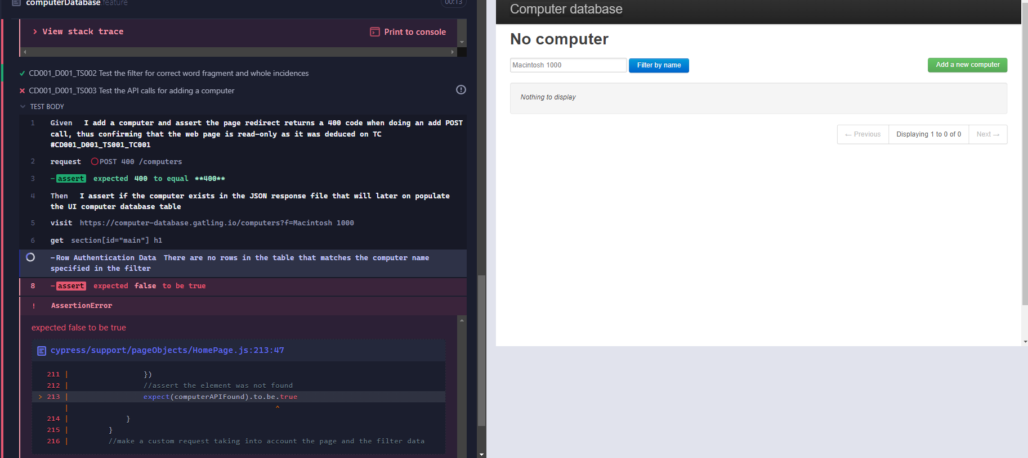 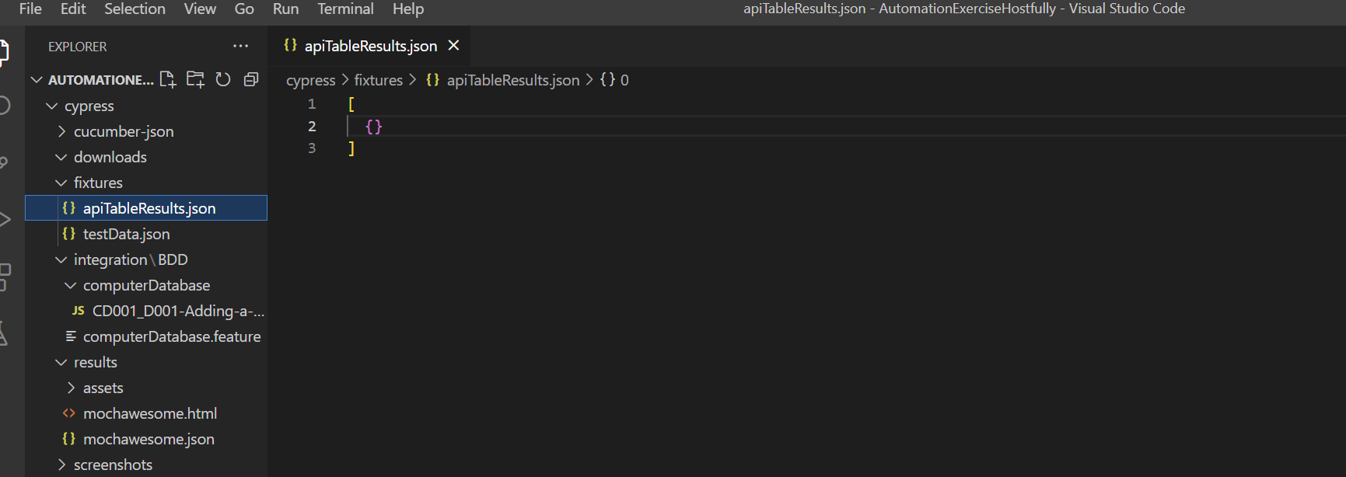
0
0
0
0
0
0
0
0
0

